ID Bug1
ID BUG Report1 | PRECONDITIONS: | DESCRIPTION: | ACTION | EXPECTED RESULT | BUG REPORT DESCRIPTIONS:
STEP 1: | Demoqa Home is opened | Verify that when click on "Book Store Applications" | Click on the field named "Book Store Applications" | "Book Store Application" page screen is opened
 | Tab "Book Store Application"is in use | it is open on the right side on the screen
STEP 2: |  | Verify that when click on "Login" it opens Login Page | Click on the tab 'Login" | When click on tab "Login" user must fill empty field with his profile
STEP 3: |  | Verify that when user is logged on, and click on "Login" it gives right messsage | Click on the tab 'Login" when log in | When click on "Login" and user is logged in, it gives message "You are already logged in. View your profile"
STEP 4: |  | Verify when user click on "profile" it will take him to to his profile page | Click on blue description "profile" | When click on "profile" it take user to his profile page | When click on "profile" the link takes user to the wrong page, it opens page with rows for books Iinstead with his profile
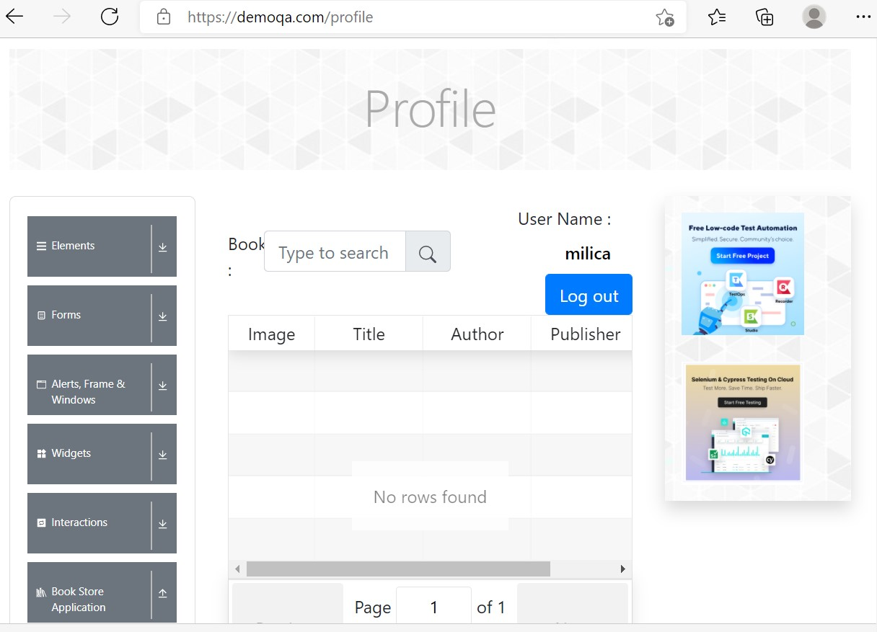

 |  |  |  |  | Priority: high
 |  |  |  |  | Sewerity: high
 |  |  |  |  | Repro rate: 90%

